回复
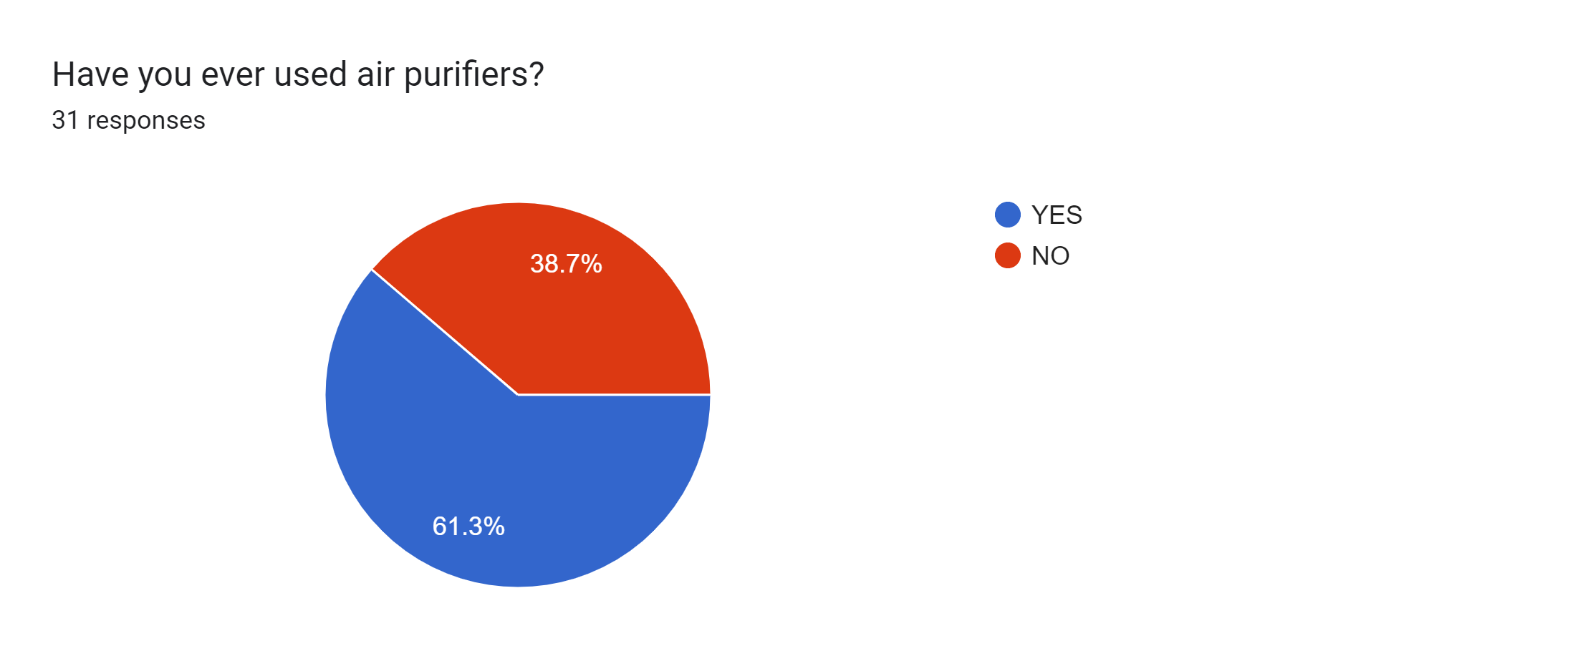

YES
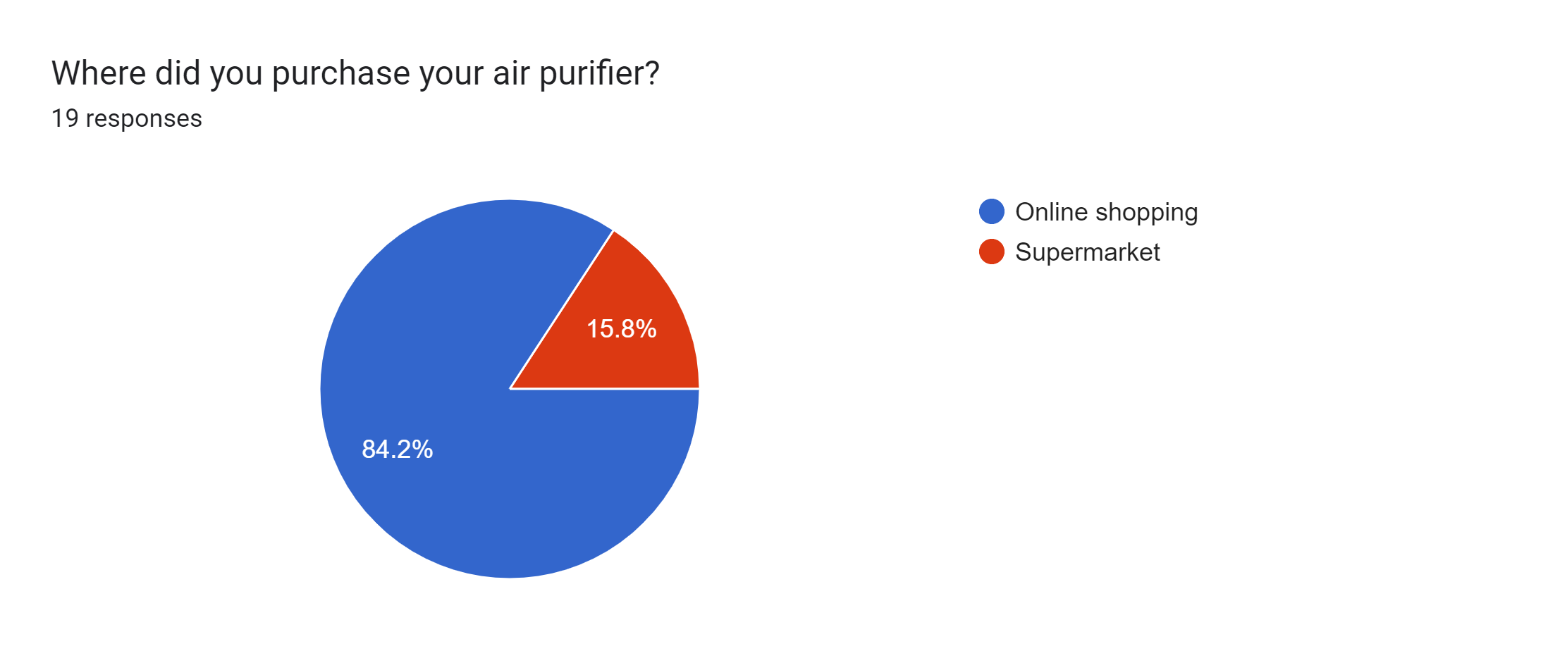

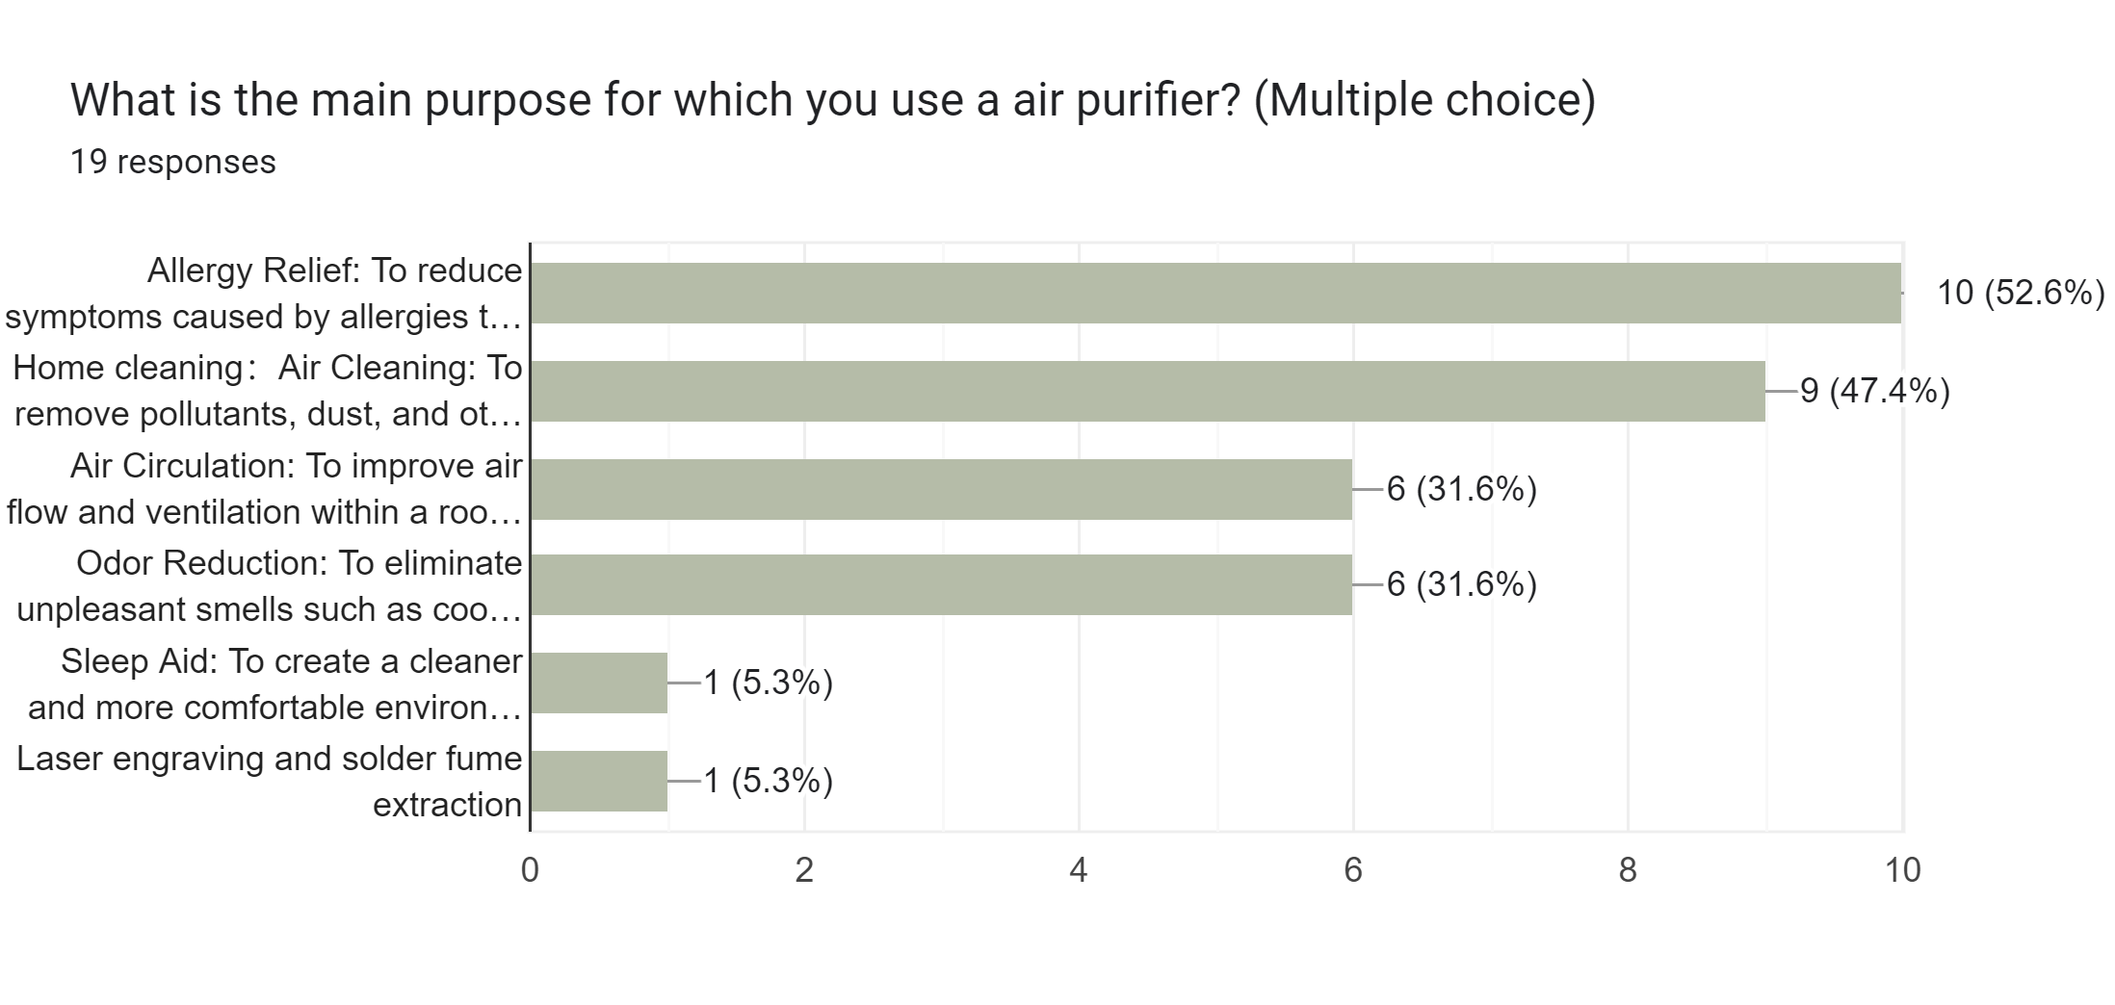

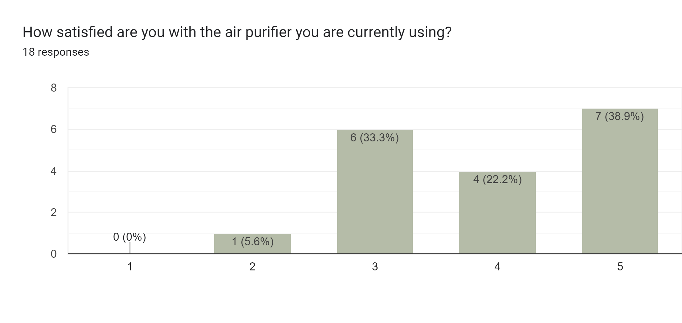

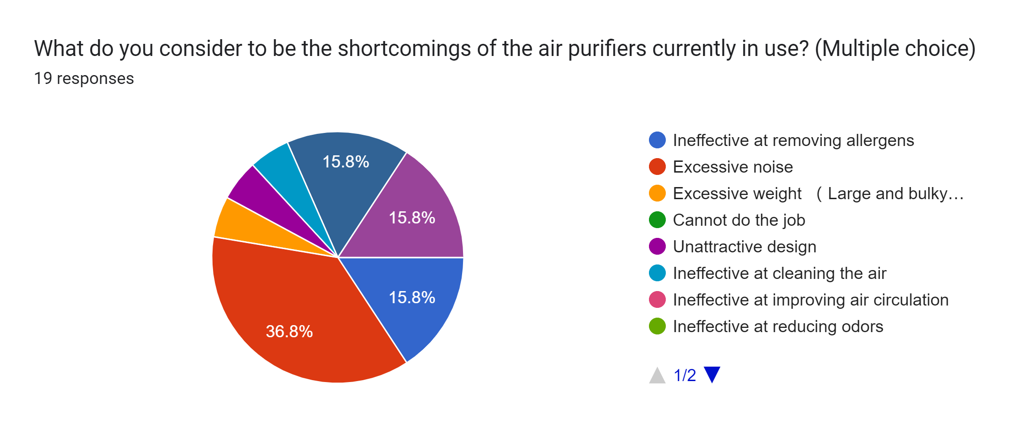

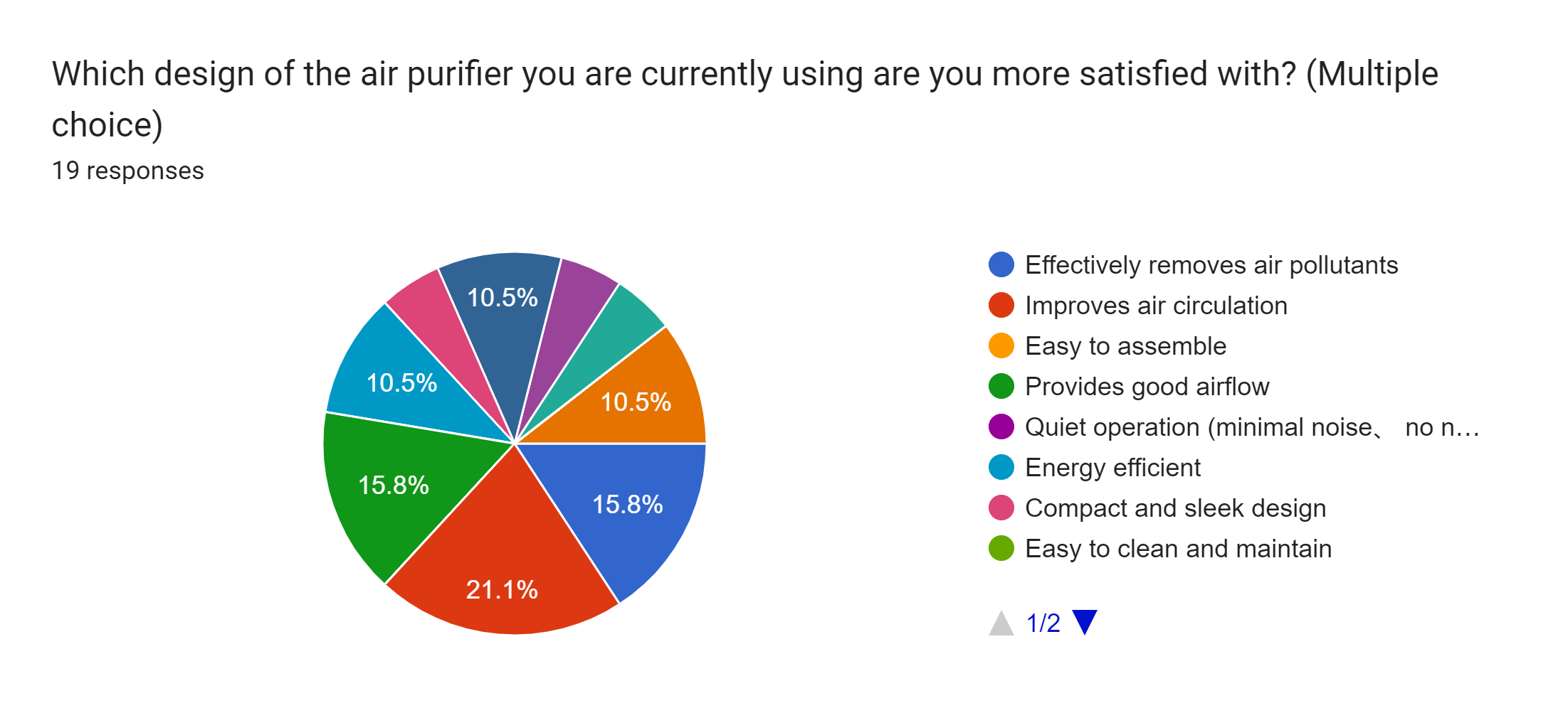

YES AND NO
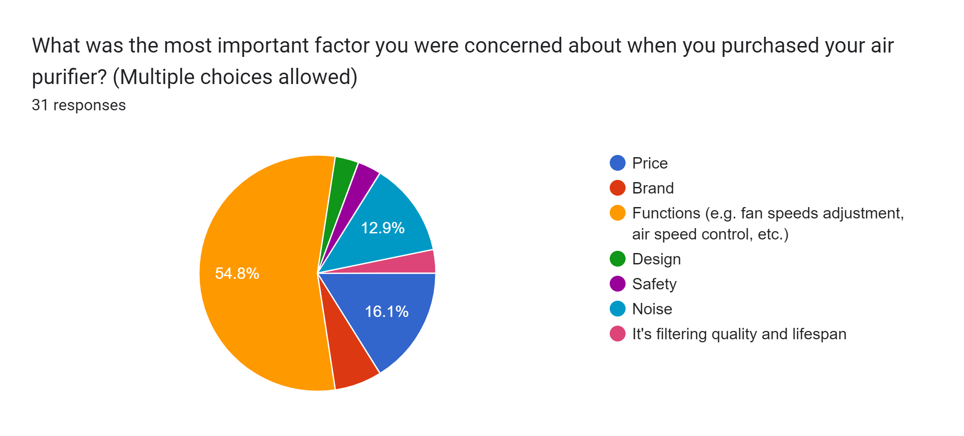

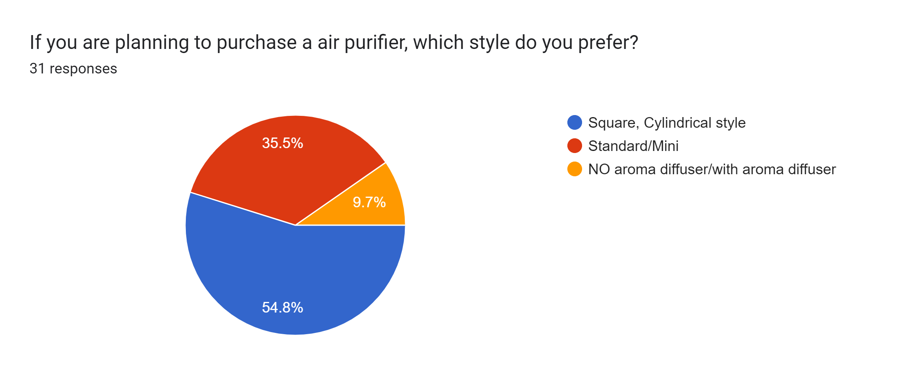

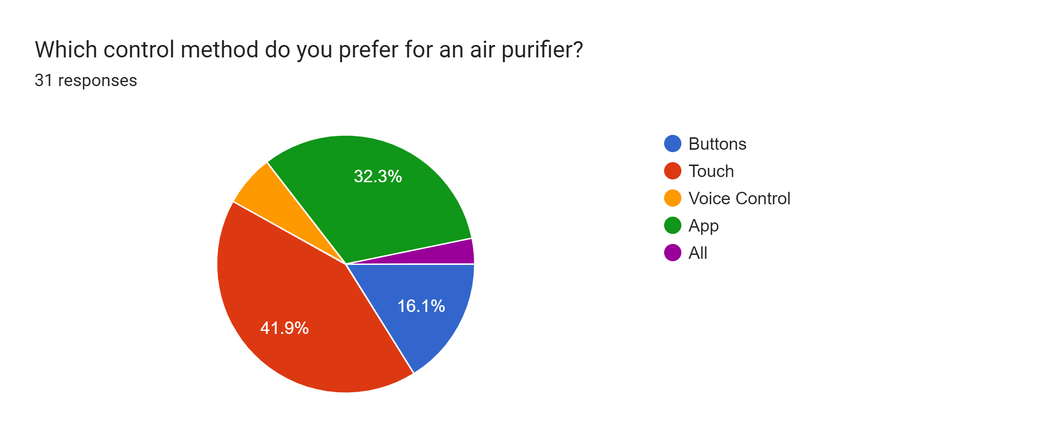

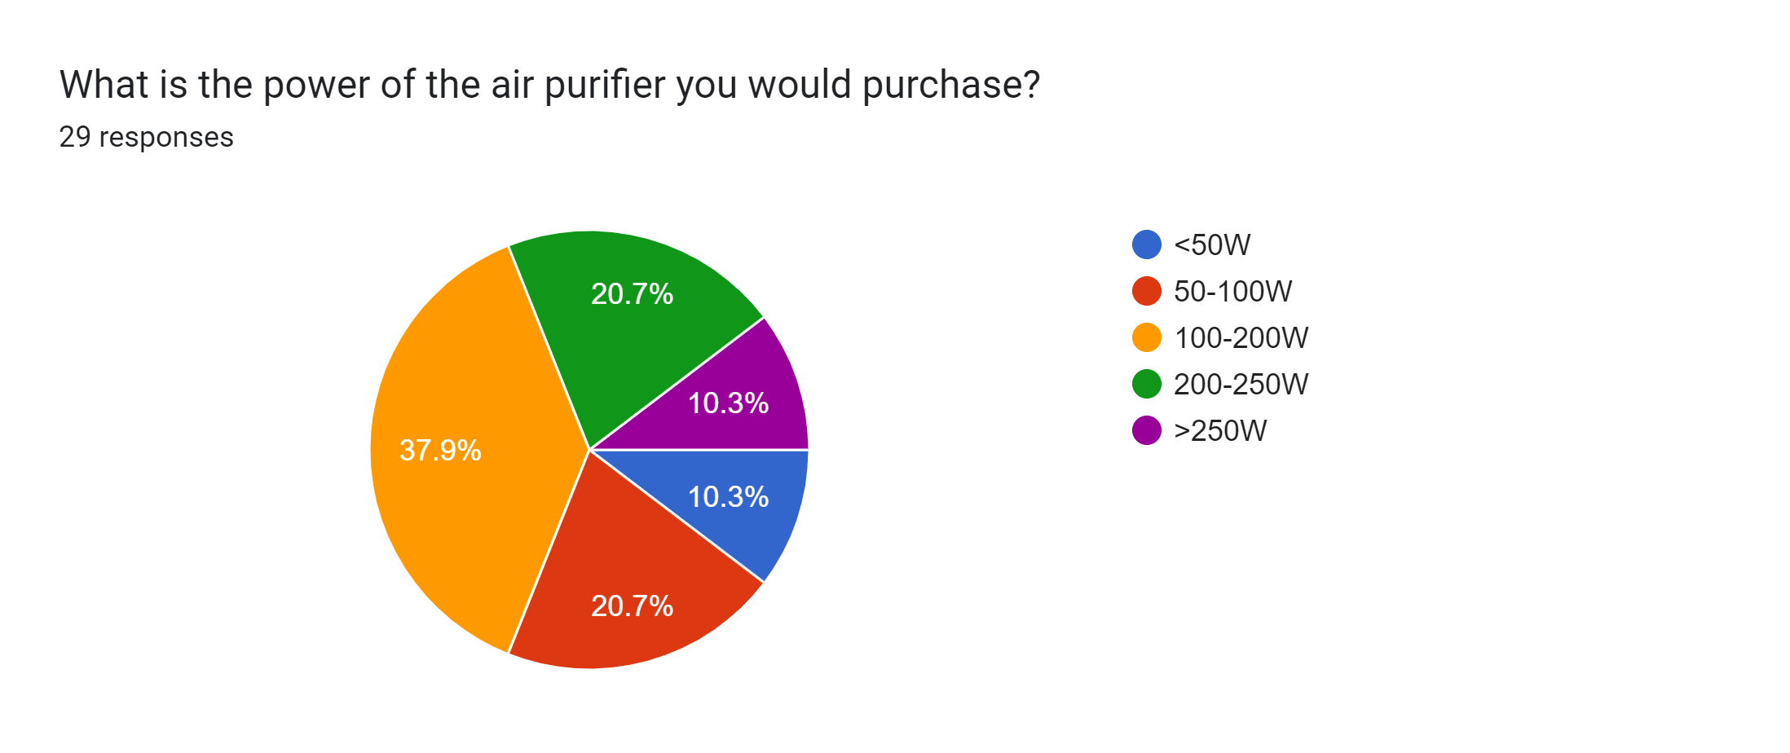

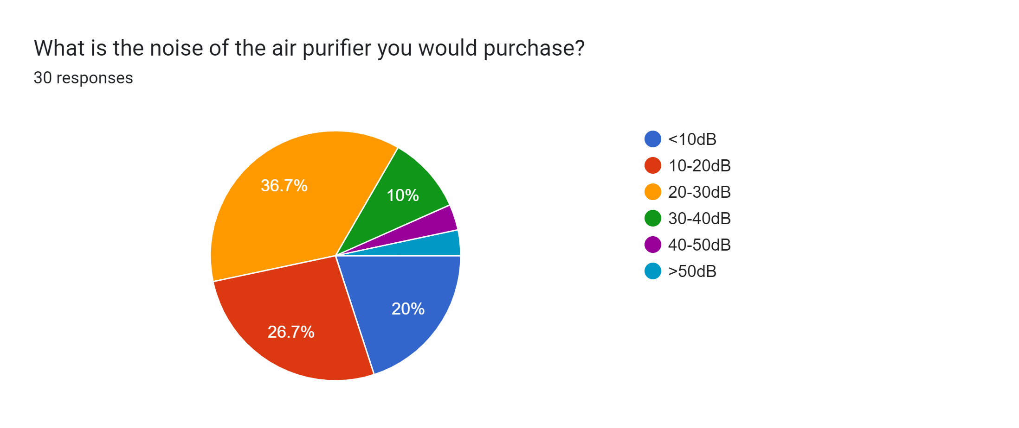

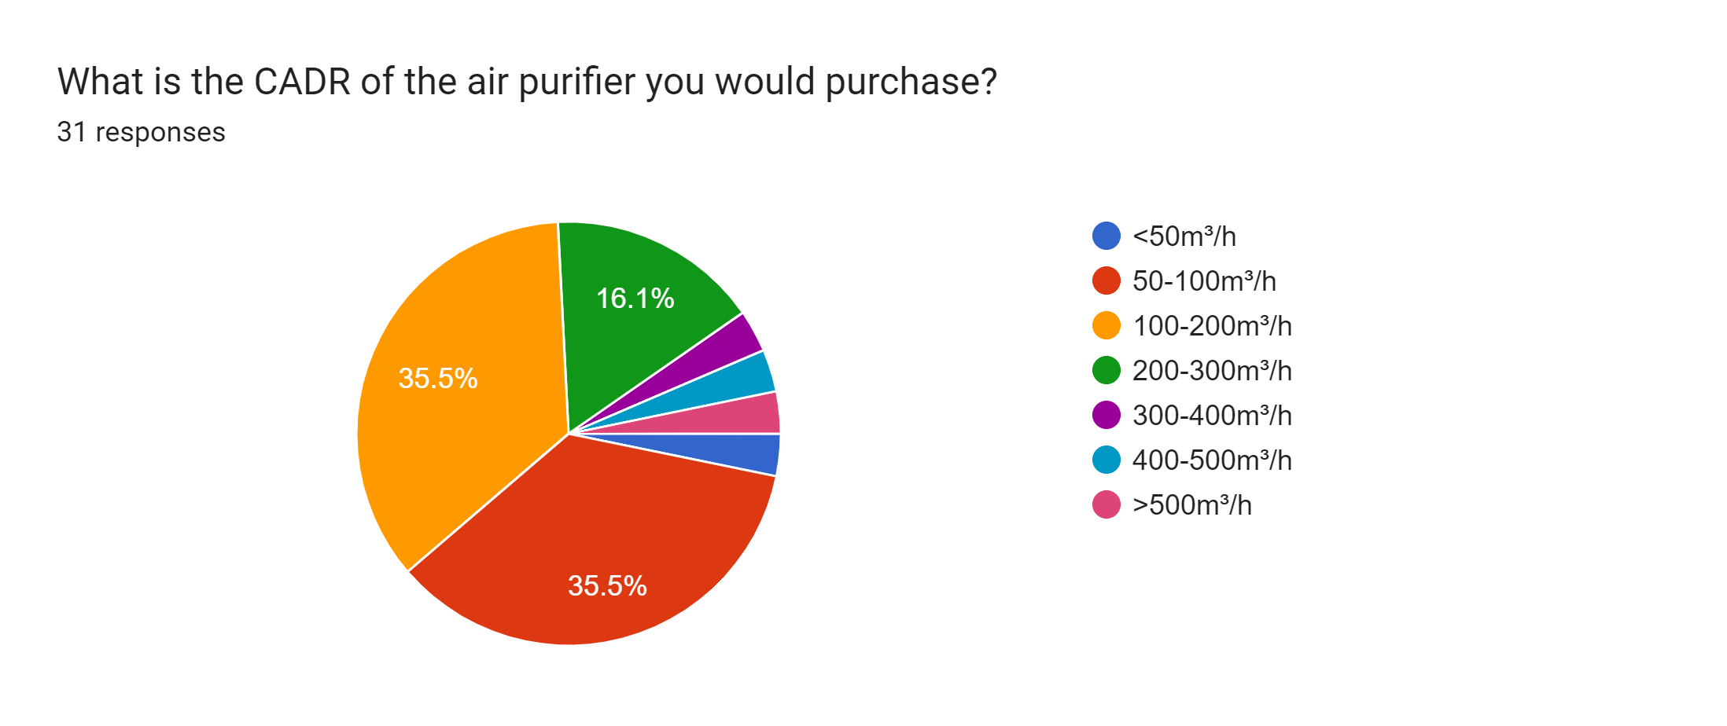

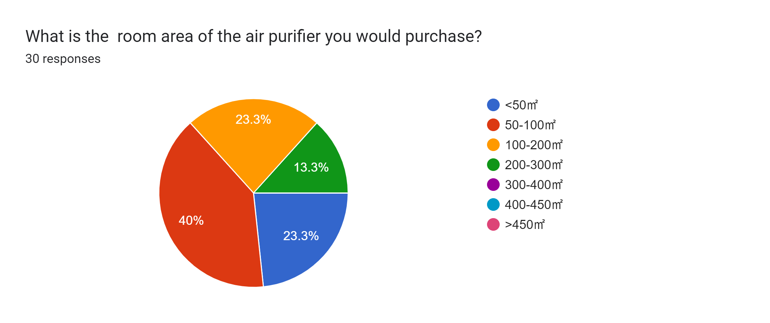

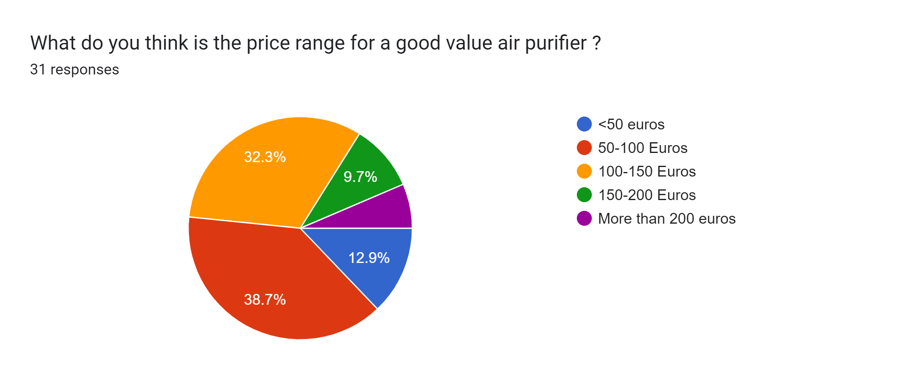

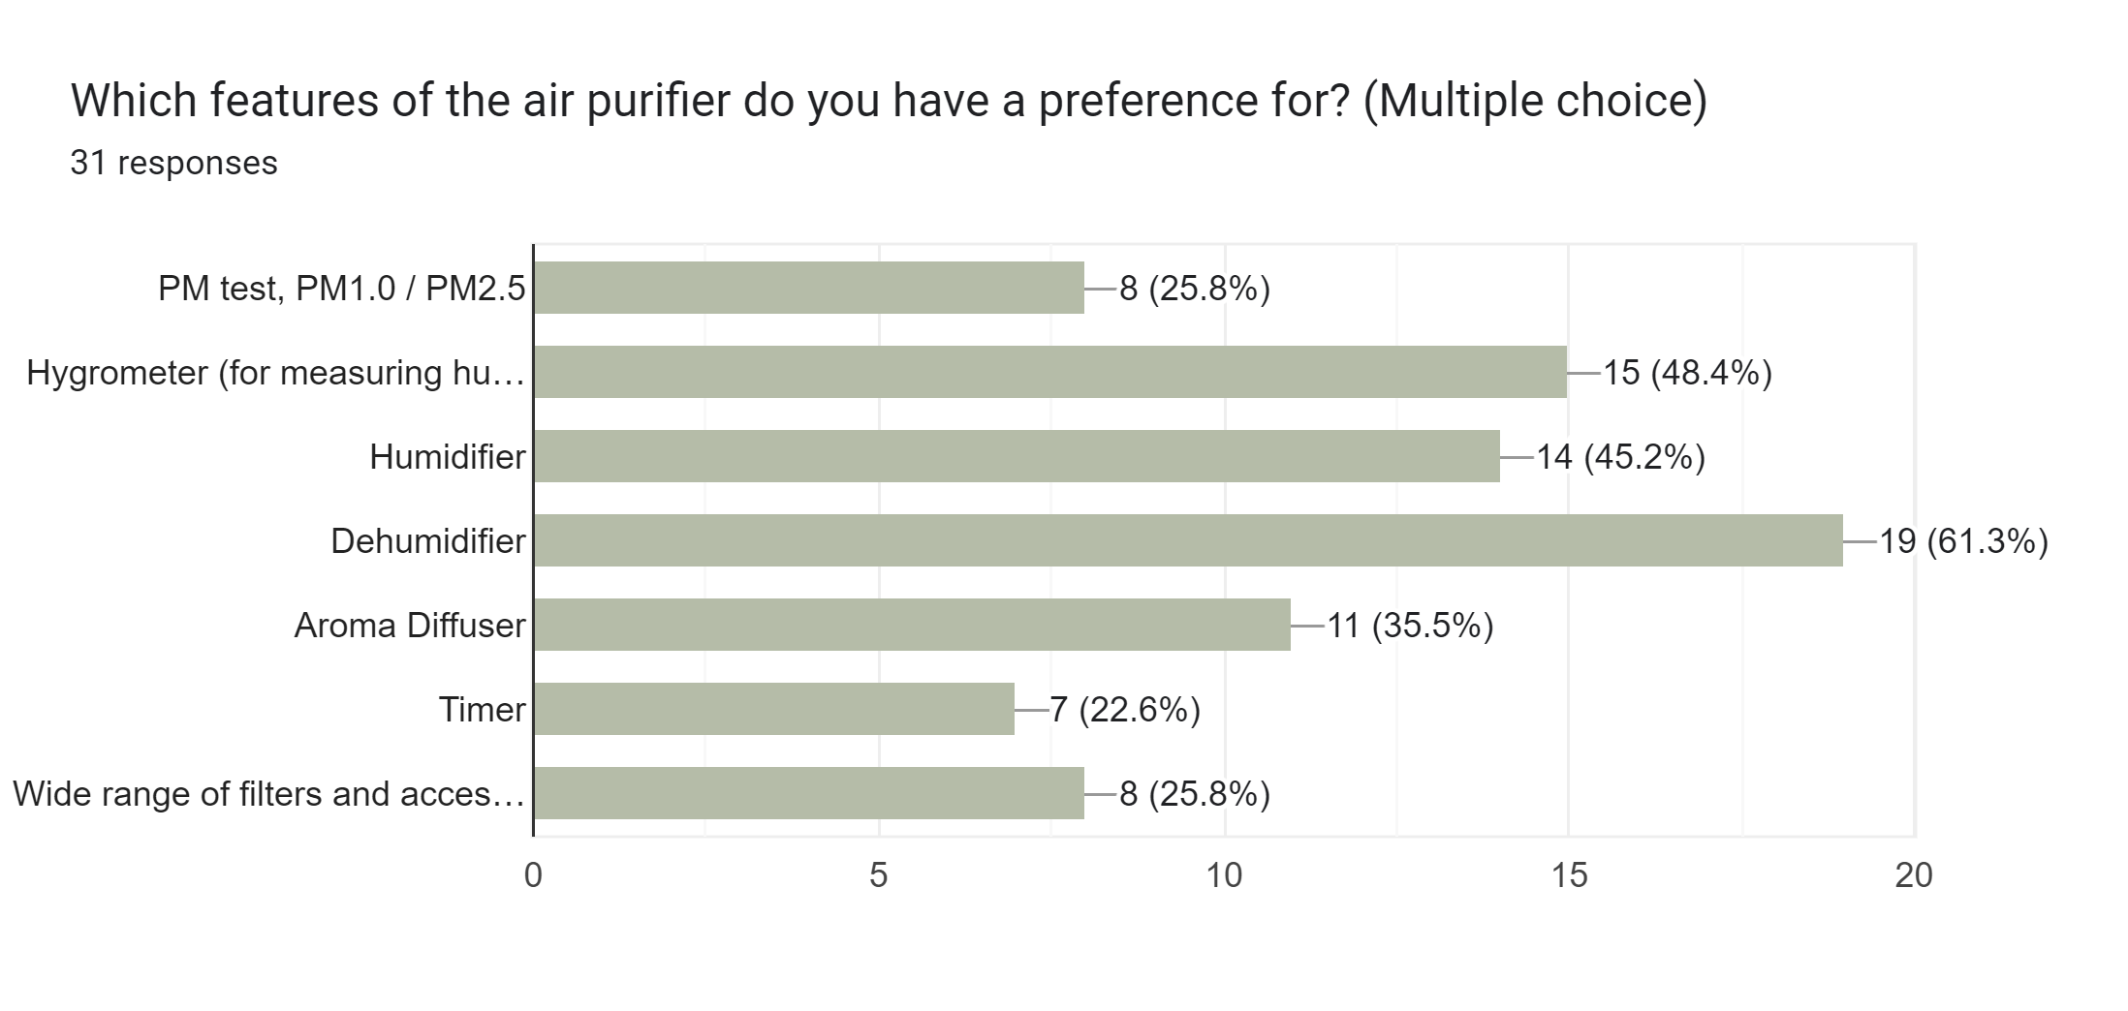

 | dehumidifier

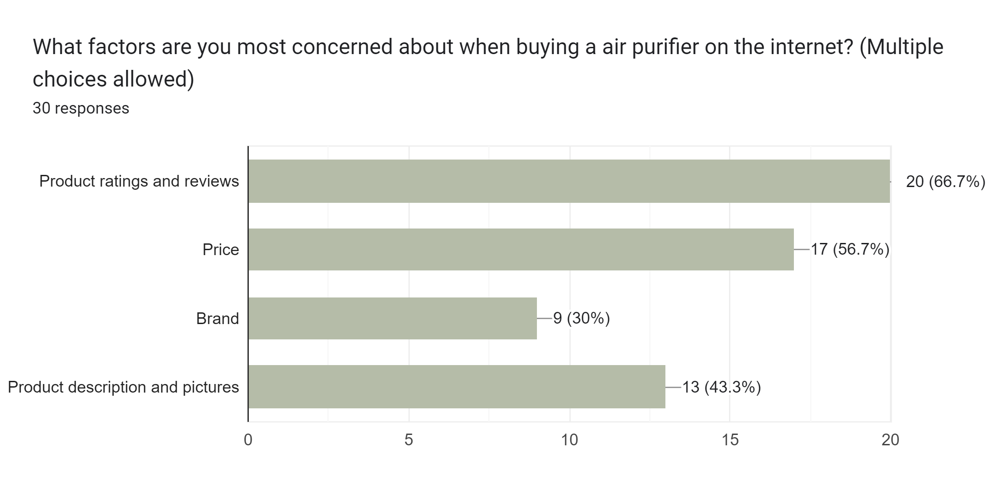

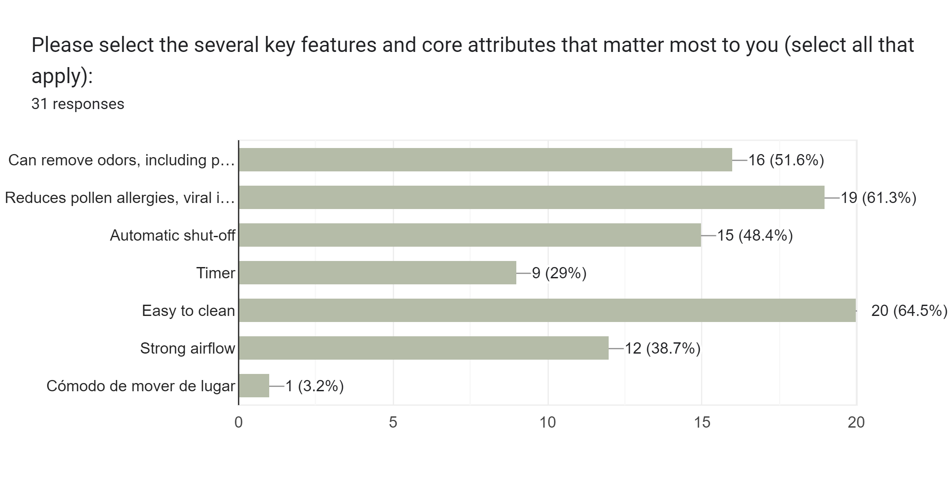

Other needs or suggestions you may have for your air purifier:
no
I want
Capteur d’humidité avec arrêt automatique après un certain seuil, et surtout, qui ne génère pas trop de bruit.
Nc
Faut que se soit simple et efficace
Silent, small and powerful
Low noise at higher air speed. Also easy to putshace replacement filters at cheaper prices. I allsp want to be able to buy the fiters 5 or 10 years down the line and not find the company changed the design of there new air purifiers so stop makeimg old filters. You can make money on replacement fillers as long as you keep the price at a reasonable cost.
Fácil limpieza de filtros y deposito de agua, con asas para agarres y movimiento con comodidad para cambiar de lugar y pensado para personas mayores en hogares antiguos donde hay humedad y animales en casa
Also heat or cool settings

